How to Use the Budget Worksheet
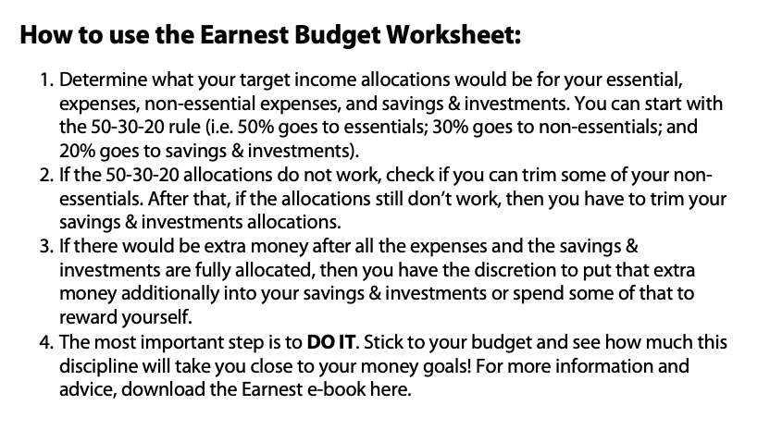

Earnest is your expanded basic personal finance resource that features an e-book, lessons on money, and an investing app for beginners.

